Sheet1
Name | CAS | Structure | Exp_Activity_SlitOR24 | Dataset_SlitOR24 | Exp_Activity_SlitOR25 | Dataset_SlitOR25 | SMILES
α-humulene | 6753-98-6 | 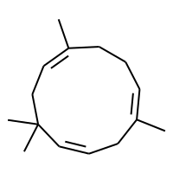 | 0 | Test | 0 | Training | C/C1=C\CC/C(C)=C/CC(C)(C)/C=C/C1
β-caryophyllene | 87-44-5 | 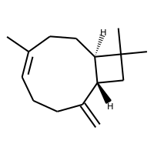 | 0 | Training | 0 | Training | C=C1CC/C=C(\C)CC[C@@H]2[C@@H]1CC2(C)C
3-carene | 13466-78-9 | 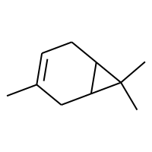 | 0 | Training | 0 | Training | CC1=CCC2C(C1)C2(C)C
α-copaene | 3856-25-5 | 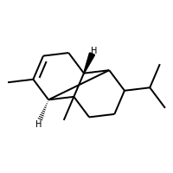 | 0 | Training | 0 | Training | CC1=CC[C@@H]2C3C(C(C)C)CCC2(C)[C@@H]13
(E,E)-α-farnesene | 502-61-4 | 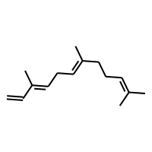 | 0 | Training | 0 | Test | C=C/C(C)=C/C/C=C(\C)CCC=C(C)C
α-pinene | 80-56-8 | 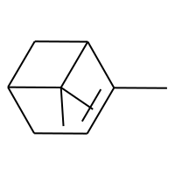 | 0 | Training | 0 | Training | CC1=CCC2CC1C2(C)C
β-pinene | 127-91-3 | 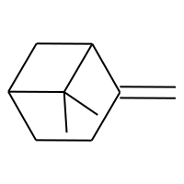 | 0 | Test | 0 | Training | C=C1CCC2CC1C2(C)C
β-myrcene | 123-35-3 | 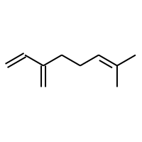 | 0 | Training | 0 | Test | C=CC(=C)CCC=C(C)C
(E)-ocimene | 13877-91-3 | 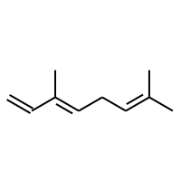 | 0 | Training | 0 | Training | C=C/C(C)=C/CC=C(C)C
indole | 120-72-9 | 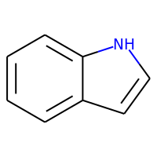 | 0 | Training | 0 | Training | c1ccc2[nH]ccc2c1
DMNT | 26049-69-4 | 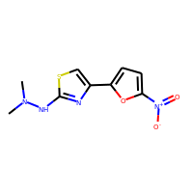 | 0 | Training | 0 | Training | CN(C)Nc1nc(-c2ccc([N+](=O)[O-])o2)cs1
TMTT | 62235-06-7 | 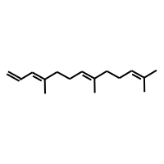 | 0 | Training | 0 | Training | C=C/C=C(\C)CC/C=C(\C)CCC=C(C)C
(Z)-jasmone | 488-10-8 | 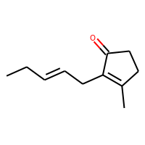 | 0 | Test | 0 | Test | CCC=CCC1=C(C)CCC1=O
decanal | 112-31-2 | 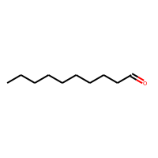 | 0 | Training | 0 | Training | CCCCCCCCCC=O
nonanal | 124-19-6 | 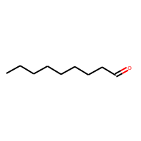 | 0 | Training | 0 | Test | CCCCCCCCC=O
1-nonanol | 143-08-8 | 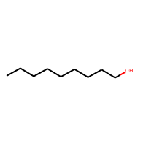 | 0 | Test | 0 | Training | CCCCCCCCCO
1-octanol | 111-87-5 | 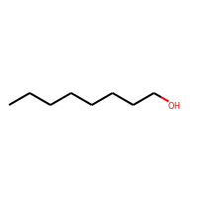 | 0 | Training | 0 | Training | CCCCCCCCO
carvacrol | 499-75-2 | 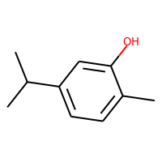 | 0 | Training | 0 | Test | Cc1ccc(C(C)C)cc1O
estragole | 140-67-0 | 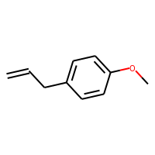 | 0 | Training | 0 | Test | C=CCc1ccc(OC)cc1
eugenol | 97-53-0 | 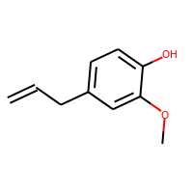 | 0 | Training | 0 | Training | C=CCc1ccc(O)c(OC)c1
geraniol | 106-24-1 | 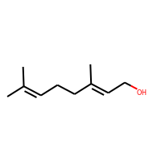 | 0 | Training | 0 | Test | CC(C)=CCC/C(C)=C/CO
(±)-linalool | 78-70-6 | 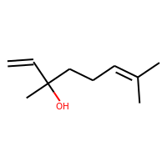 | 0 | Training | 0 | Training | C=CC(C)(O)CCC=C(C)C
(±)-nerolidol | 7212-44-4 | 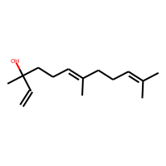 | 0 | Training | 0 | Training | C=CC(C)(O)CC/C=C(\C)CCC=C(C)C
(±)-phytol | 7541-49-3 | 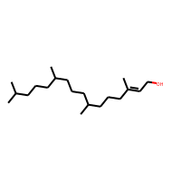 | 0 | Training | 0 | Training | C/C(=C\CO)CCCC(C)CCCC(C)CCCC(C)C
thymol | 89-83-8 | 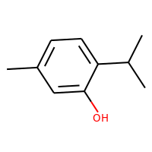 | 0 | Training | 0 | Training | Cc1ccc(C(C)C)c(O)c1
(E,E)-farnesol | 106-28-5 | 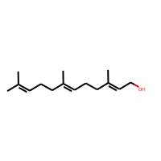 | 0 | Test | 0 | Test | CC(C)=CCC/C(C)=C/CC/C(C)=C/CO
EDD | CHEMBL1271376 | 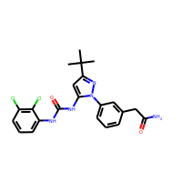 | 0 | Training | 0 | Training | CC(C)(C)c1cc(NC(=O)Nc2cccc(Cl)c2Cl)n(-c2cccc(CC(N)=O)c2)n1
methyl jasmonate | 1101843-02-0 | 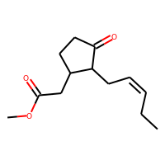 | 0 | Test | 0 | Training | CC/C=C\CC1C(=O)CCC1CC(=O)OC
sulcatone | 110-93-0 | 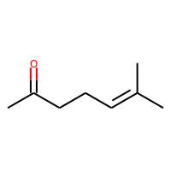 | 0 | Test | 0 | Test | CC(=O)CCC=C(C)C
(Z,E)-9,11-14:OAc | 50767-79-8 | 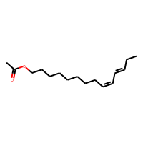 | 0 | Training | 0 | Training | CC/C=C/C=C\CCCCCCCCOC(C)=O
(Z,E)-9,12-14:OAc | 31654-77-0 | 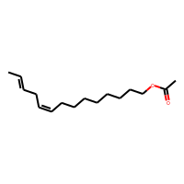 | 0 | Training | 0 | Training | C/C=C/C/C=C\CCCCCCCCOC(C)=O
(Z)7-12:OAc | 14959-86-5 | 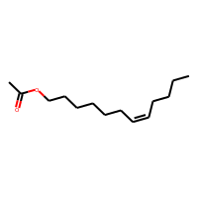 | 0 | Training | 0 | Training | CCCC/C=C\CCCCCCOC(C)=O
(Z)9-14:OAc | 16725-53-4 |  | 0 | Training | 0 | Training | CCCC/C=C\CCCCCCCCOC(C)=O
(Z)9-14: OH | 35153-15-2 | 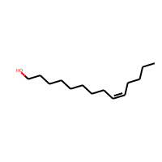 | 0 | Training | 0 | Training | CCCC/C=C\CCCCCCCCO
14:OAc | 638-59-5 | 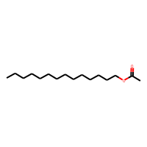 | 0 | Test | 0 | Training | CCCCCCCCCCCCCCOC(C)=O
(E)11-14:OAc | 33189-72-9 | 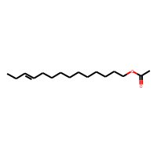 | 0 | Training | 0 | Training | CC/C=C/CCCCCCCCCCOC(C)=O
(E)2-hexenal | 6728-26-3 | 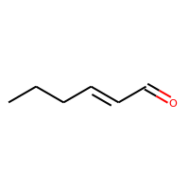 | 0 | Test | 1 | Training | CCC/C=C/C=O
methyl salicylate | 119-36-8 | 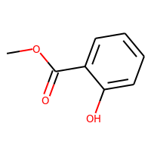 | 0 | Training | 1 | Training | COC(=O)c1ccccc1O
methyl benzoate | 93-58-3 | 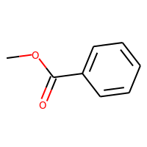 | 0 | Test | 1 | Test | COC(=O)c1ccccc1
benzyl methyl ether | 538-86-3 | 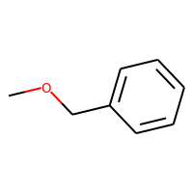 | 0 | Training | 1 | Test | COCc1ccccc1
1-indanone | 83-33-0 | 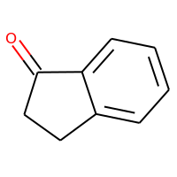 | 0 | Training | 1 | Training | O=C1CCc2ccccc21
(Z)3-hexenyl acetate | 3681-71-8 | 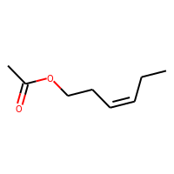 | 1 | Test | 0 | Test | CC/C=C\CCOC(C)=O
(Z)11-14:OAc | 20711-10-8 | 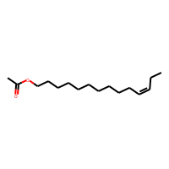 | 1 | Training | 0 | Training | CC/C=C\CCCCCCCCCCOC(C)=O
benzaldehyde | 100-52-7 | 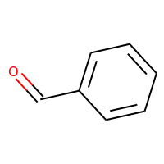 | 1 | Test | 1 | Training | O=Cc1ccccc1
phenylacetaldehyde | 122-78-1 | 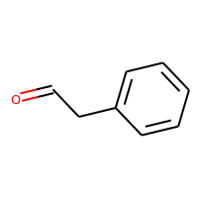 | 1 | Training | 1 | Test | O=CCc1ccccc1
(E)2-hexenol | 928-95-0 | 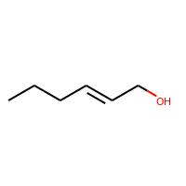 | 1 | Training | 1 | Training | CCC/C=C/CO
(Z)3-hexenol | 928-96-1 | 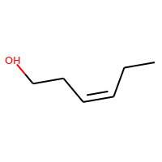 | 1 | Training | 1 | Training | CC/C=C\CCO
1-hexanol | 111-27-3 | 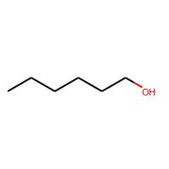 | 1 | Training | 1 | Training | CCCCCCO
1-heptanol | 111-70-6 | 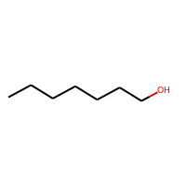 | 1 | Training | 1 | Test | CCCCCCCO
benzyl alcohol | 100-51-6 | 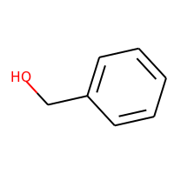 | 1 | Training | 1 | Test | OCc1ccccc1
acetophenone | 98-86-2 | 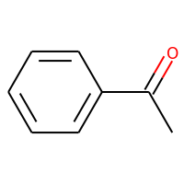 | 1 | Training | 1 | Training | CC(=O)c1ccccc1
1,3 Indanedione | 606-23-5 |  |  |  | 0 | Training | O=C1CC(=O)c2ccccc21
3,4,5 Trifluorobenzyl alcohol | 220227-37-2 |  |  |  | 0 | Training | OCc1cc(F)c(F)c(F)c1
Terephthalaldehyde | 623-27-8 |   |  |  | 0 | Test | O=Cc1ccc(C=O)cc1
Isophthalaldehyde | 626-19-7 |  |  |  | 0 | Training | O=Cc1cccc(C=O)c1
salicylic acid | 63-36-5 |  |  |  | 0 | Training | O=C([O-])c1ccccc1O
2,4,5 Trifluorobenzyl alcohol | 144284-25-3 |  |  |  | 0 | Training | OCc1cc(F)c(F)cc1F
1,3 benzenedimethanol | 626-18-6 |  |  |  | 0 | Training | OCc1cccc(CO)c1
2-Methoxybenzoic acid |  |  |  |  | 0 | Training | COc1ccccc1C(=O)[O-]
1-Naphthaldehyde | 66-77-3 |  |  |  | 0 | Training | O=Cc1cccc2ccccc12
3,4 Difluorobenzyl alcohol | 85118-05-4 |  |  |  | 0 | Training | OCc1ccc(F)c(F)c1
2,3,4 Trifluorobenzyl alcohol | 144284-24-2 |  |  |  | 0 | Training | OCc1ccc(F)c(F)c1F
3,5 Difluorobenzyl alcohol | 79538-20-8 |  |  |  | 0 | Test | OCc1cc(F)cc(F)c1
2,4 Difluorobenzyl alcohol | 56456-47-4 |  |  |  | 0 | Training | OCc1ccc(F)cc1F
Phenylglyoxal monohydrate | 1074-12-0 |  |  |  | 0 | Training | O=CC(=O)c1ccccc1
3,5 Difluorobenzaldehyde | 32085-88-4 |  |  |  | 0 | Training | O=Cc1cc(F)cc(F)c1
4-Fluorobenzyl alcohol | 459-56-3 |  |  |  | 0 | Training | OCc1ccc(F)cc1
2,5 Difluorobenzyl alcohol | 75853-20-2 |  |  |  | 0 | Training | OCc1cc(F)ccc1F
3, Fluorobenzyl alcohol | 456-47-3 |  |  |  | 0 | Training | OCc1cccc(F)c1
3,4 Difluorobenzaldehyde | 34036-07-2 |  |  |  | 0 | Training | O=Cc1ccc(F)c(F)c1
2,3 Difluorobenzyl alcohol | 75853-18-8 |  |  |  | 0 | Training | OCc1cccc(F)c1F
4-Fluorobenzaldehyde | 459-57-4 |  |  |  | 1 | Test | O=Cc1ccc(F)cc1
2,4 Difluorobenzaldehyde | 1550-35-2 |  |  |  | 1 | Training | O=Cc1ccc(F)cc1F
2,5 Difluorobenzaldehyde | 2646-90-4 |  |  |  | 1 | Training | O=Cc1cc(F)ccc1F
2,3 Difluorobenzaldehyde | 2646-91-5 |  |  |  | 1 | Training | O=Cc1cccc(F)c1F
2',4' Difluoroacetophenone | 364-83-0 |  |  |  | 1 | Training | CC(=O)c1ccc(F)cc1F
3- Fluorobenzaldehyde | 456-48-4 |  |  |  | 1 | Training | O=Cc1cccc(F)c1
2-Fluorobenzyl alcohol | 446-51-5 |  |  |  | 1 | Training | OCc1ccccc1F
2,6 Difluorobenzaldehyde | 437-81-0 |  |  |  | 1 | Training | O=Cc1c(F)cccc1F
4' Fluoroacetophenone | 403-42-9 |  |  |  | 1 | Test | CC(=O)c1ccc(F)cc1
P-tolualdehyde | 104-87-0 |  |  |  | 1 | Training | Cc1ccc(C=O)cc1
2-Fluorobenzaldehyde | 446-52-6 |  |  |  | 1 | Training | O=Cc1ccccc1F
1-(2-fluorophenyl)ethanone | 445-27-2 |  |  |  | 1 | Training | CC(=O)c1ccccc1F

